Instructions
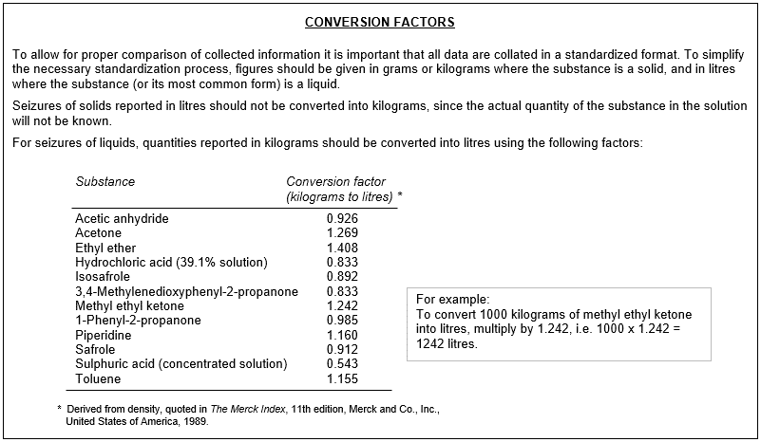 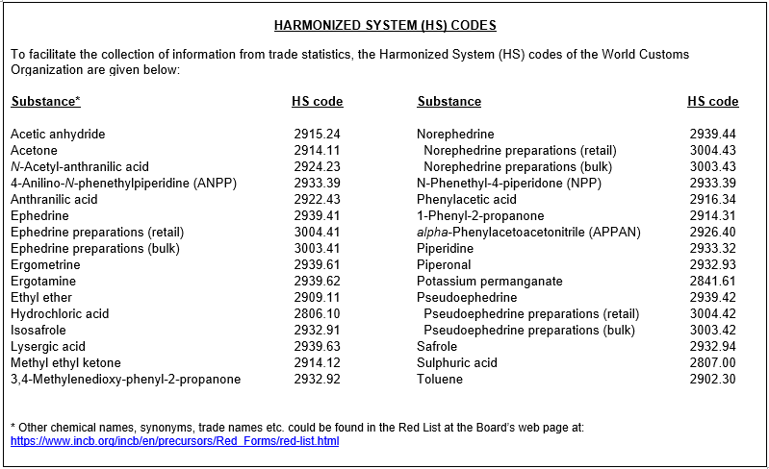
INSTRUCTIONS
(to be read carefully before completing the form)

1. Form D consists of three parts:
Part I. Annual information on seizures of substances in Tables I and II of the 1988 Convention and of non-scheduled substances not currently included in Tables I or II; as well as information on methods of diversion and illicit manufacture, stopped shipments and thefts involving these substances.

Part II. Annual information on imports, exports and licit uses and needs of substances included in Tables I and II of the 1988 Convention.

Part III. Competent national authorities empowered to regulate or enforce national controls over precursors and essential chemicals in accordance with the provisions of article 12 of the United Nations Convention against Illicit Traffic in Narcotic Drugs and Psychotropic Substances of 1988.

2. Form D should be completed by the competent authority for article 12 of the 1988 Convention and should be returned as a single, consolidated copy incorporating all information from all relevant agencies for the country or territory in question. Form D should be submitted to INCB by 30 April and not later than 30 June of the year following
the year to which the annual information relates (incb.precursors@un.org). Any relevant national reports should be attached, as needed.

3. All precursors and chemicals frequently used in the illicit manufacture of narcotic drugs and psychotropic substances under international control are included in the annex to Form D (“Red List”), which is distributed to Governments annually by the International Narcotics Control Board (INCB) and is available at:
http://www.incb.org/incb/en/precursors/Red_Forms/red-list.html. Substances not included in the Tables of the 1988
Convention but for which substantial information exists of their use in illicit drug manufacture are included in the Limited International Special Surveillance List (ISSL), which itself is part of the Information Package on the Control of Precursors, available for use by competent regulatory and law enforcement authorities on the Board’s secure web page: https://www.incb.org/incb/en/precursors/cna.html (please copy and paste the link on your browser) and on request.

4. The statistical data entered in the form should be expressed in the standard unit of measure (volume or weight) indicated for each substance. Decimals must be separated by a dot; a 1000 separator is not required (if a 1000 separator is used it must be a comma (,); the valid number format is: 000,000.000). If necessary, use the conversion factors shown below.

5. All figures should reflect the net quantity involved, that is, not including the weight of packages or containers. For preparations (e.g. preparations containing ephedrine or pseudoephedrine), figures should refer to the pure content of the respective substance, i.e. excluding the weight of any other substance that may be combined or mixed with it and excluding the weight of packages or containers. As a minimum, please indicate where a figure refers to the bulk weight of the preparation.

6. Reporting of seizures: Please also include seizures originating in your own country, and seizures of unknown origin (select country: "Unknown"). Select "Unknown" also for aggregated annual seizures that cannot be broken down by country of origin or last point of departure.

7. Reporting of licit trade (imports and exports): Please include the amounts which were actually imported and exported. If unable to provide data in detail, please provide partial information as far as possible, noting that the information is incomplete.

8. If there is no data to submit during a reporting year, i.e., if no seizure, no import and no export of any precursor or non-scheduled substance has been effected in that year, Form D should be returned to the Board with a clear indication to that effect in the space provided for remarks on page 1 (tab "File Cover").

